Folha1
Views | Components | ViewModels | Views | Components | ViewModels
 | Top bar |  | 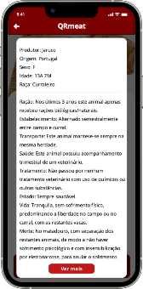 | Top Bar
 | Big widget | News |  | Info | Meat
 | Botão Ler Mais
 | Small widgets | News
 |  |  |  | See more | Meat
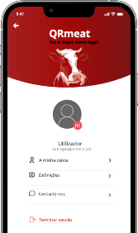 | Top Bar + Header
 | Profile Info | Account
 | Options | Account
 | Logout
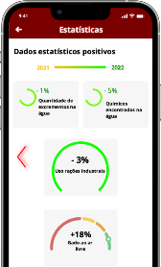 | Top bar
 | Move Negative
 | Year bar | Stats
 | Top graphs | Stats
 | Bottom graphs | Stats
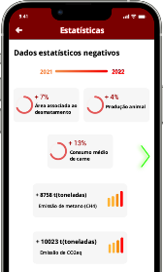 | Top bar
 | Move Positive
 | Year bar | Stats
 | Top graphs | Stats
 | Bottom graphs | Stats
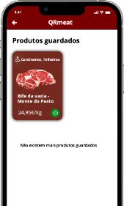 | Top Bar
 | Saved Products | Account

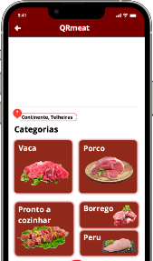 | Top Bar
 | Map | Market
 | Name | Market
 | Categories | Market
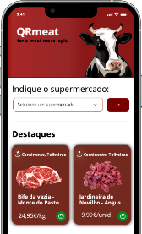 | Header
 | Search
 | Highlights | Highlights
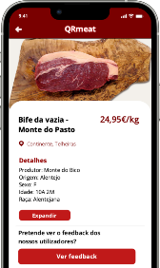 | Top Bar
 | Meat photo | Meat
 | Meat details | Meat
 | Expand | Meat
 | Feedback
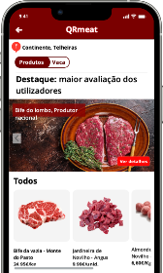 | Top Bar
 | Name | Market
 | Slider
 | Highlights | Market
 | All products | Market
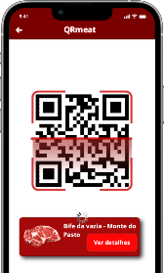 | Top Bar
 | Qrcode
 | Meat Scanned

